Unit Testing ( E2300558 )
Test Objectives
Verify new users can register successfully with valid information.
Verify that 2FA configuration is enforced during registration.
Verify the system rejects duplicate email registrations.
Verify invalid or expired verification codes are handled correctly.

Tester Name | Kabir Rajbhandari
Date | 6/25/2026 - 7/10/2026

 |  | POSITIVE SCENARIO
 |  | Field | Details
 |  | Test Case ID | TC1.1
 |  | Test Description | Successful user registration with valid data
 |  | Test Scenario | New user registers with all required fields correctly filled and activates account via email link.
 |  | Test Data | Full Name: Kabir Rajbhadari Email: kabir.rajbhandari23@midvalley.edu.np Password: Kabir@1122 Household Size: 3
 |  | Source Code | public class RegisterRequest { @NotBlank(message = "Full name is required.") private String fullName; @NotBlank(message = "Email is required.") @Email(message = "Enter a valid email address.") private String email; @NotBlank(message = "Password is required.") @Size(min = 8, message = "Password must be at least 8 characters.") private String password; // Optional private Integer householdSize; }
 |  | Expected Output | Account created. Verification email sent. Upon code entry: account activated, redirected to dashboard.
 |  | Actual Output | ${SPRING_BOOT_URL}/api/auth/verify-email?token=${encodeURIComponent(verifyToken)}. Verification Email send to the registered email.
 |  | Pass / Fail | Pass
 |  | Remarks

 |  | POSITIVE SCENARIO
 |  | Field | Details
 |  | Test Case ID | TC1.2
 |  | Test Description | User enables 2FA during registration
 |  | Test Scenario | User toggles 2FA during privacy settings step and verifies setup completes.
 |  | Test Data | 2FA toggle: ON Authentication
 |  | Source Code | public void initiate2FA(Long userId) { User user = findUser(userId); if (Boolean.TRUE.equals(user.getTwoFactorEnabled())) { // Already fully enabled — nothing to do. return; } String otp = generateOtp(); user.setOtpCode(otp); user.setOtpExpiresAt(Instant.now().plus(otpExpiryMinutes, ChronoUnit.MINUTES)); user.setPendingTwoFactor(true); userRepository.save(user); sendOtpEmail(user.getEmail(), user.getFullName(), otp); }
 |  | Expected Output | 2FA is enabled. OTP is send. System confirms 2FA active on account dashboard.
 |  | Actual Output | 2FA is enabled. OTP is send. System confirms 2FA active on account dashboard.
 |  | Pass / Fail | Pass
 |  | Remarks

 |  | NEGATIVE SCENARIO
 |  | Field | Details
 |  | Test Case ID | TC1.3
 |  | Test Description | Registration fails with duplicate email
 |  | Test Scenario | User attempts to register using an email already stored in the database.
 |  | Test Data | Full Name: User 1 Email: sakshampe642@gmail.com Password: Kabir@1122 Household Size: 3
 |  | Source Code | // AuthService.java public RegisterResponse register(RegisterRequest request) { if (userRepository.existsByEmail(request.getEmail().toLowerCase())) { throw new ApiException("An account with this email already exists.", HttpStatus.CONFLICT); } ... } // UserRepository.java boolean existsByEmail(String email);
 |  | Expected Output | System displays: 'This email is already registered. Please log in or use a different email.'
 |  | Actual Output | 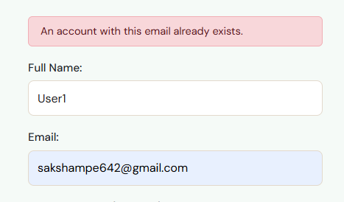
 |  | Pass / Fail | Pass
 |  | Remarks

 |  | NEGATIVE SCENARIO
 |  | Field | Details
 |  | Test Case ID | TC1.4
 |  | Test Description | Registration fails with invalid verification code
 |  | Test Scenario | User enters an incorrect or expired 6-digit verification code during account activation.
 |  | Test Data | Verification Code: 000000 (invalid) Email: sakshampe642@gmail.com
 |  | Source Code | // AuthService.java public MessageResponse verifyEmail(String token) { User user = userRepository.findByVerificationToken(token.trim()) .orElseThrow(() -> new ApiException("Invalid or expired verification link.", HttpStatus.BAD_REQUEST)); if (user.getVerificationTokenExpiresAt() == null || Instant.now().isAfter(user.getVerificationTokenExpiresAt())) { throw new ApiException( "This verification link has expired. Please contact support or register again.", HttpStatus.GONE); } ... }
 |  | Expected Output | System displays: 'Invalid Verification Code. Please try again.'
 |  | Actual Output | 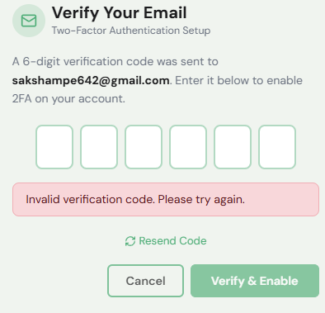
 |  | Pass / Fail | Pass
 |  | Remarks

 |  | POSITIVE SCENARIO
 |  | Field | Details
 |  | Test Case ID | TC1.5
 |  | Test Description | Successful sign in with valid credentials
 |  | Test Scenario | Registered user enters correct email and password to log into the system.
 |  | Test Data | Email: sakshampe642@gmail.com Password: 12345678
 |  | Source Code | // AuthService.java public LoginResponse login(LoginRequest request) { User user = userRepository.findByEmail(request.getEmail().toLowerCase().trim()) .orElseThrow(() -> new ApiException("Invalid email or password.", HttpStatus.UNAUTHORIZED)); if (!passwordEncoder.matches(request.getPassword(), user.getPassword())) { throw new ApiException("Invalid email or password.", HttpStatus.UNAUTHORIZED); } if (!Boolean.TRUE.equals(user.getEmailVerified())) { throw new ApiException("Please verify your email address before logging in...", HttpStatus.FORBIDDEN); } return new LoginResponse(jwtService.generateToken(user), UserResponse.from(user), false, null); }
 |  | Expected Output | User is redirected to the dashboard. Session token is created.
 |  | Actual Output | 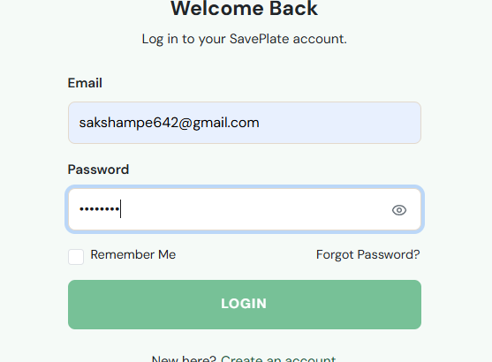
 |  | Pass / Fail | Pass
 |  | Remarks

 |  | POSITIVE SCENARIO
 |  | Test Case ID | TC1.6
 |  | Test Description | Sign in with "Remember Me" option enabled
 |  | Test Scenario | User checks the Remember Me checkbox and signs in with valid credentials.
 |  | Test Data | Email: sakshampe642@gmail.com Password: 12345678 Remember Me: Checked
 |  | Source Code | // Login.jsx const saveAuth = (data) => { if (form.rememberMe) { localStorage.setItem("zw_token", data.token); localStorage.setItem("zw_user", JSON.stringify(data.user)); } else { sessionStorage.setItem("zw_token", data.token); sessionStorage.setItem("zw_user", JSON.stringify(data.user)); } setUserEmailCookie(data.user?.email || form.email.trim()); };
 |  | Expected Output | User stays logged in after browser restart. Persistent cookie is set.
 |  | Actual Output | User does stay logged in even after browser restart.
 |  | Pass / Fail | Pass
 |  | Remarks

 |  | NEGATIVE SCENARIO
 |  | Field | Details
 |  | Test Case ID | TC1.7
 |  | Test Description | Sign in fails with incorrect password
 |  | Test Scenario | Registered user enters a valid email but incorrect password.
 |  | Test Data | Email: sakshampe642@example.com Password: 1234567877
 |  | Source Code | // AuthService.java if (!passwordEncoder.matches(request.getPassword(), user.getPassword())) { throw new ApiException("Invalid email or password.", HttpStatus.UNAUTHORIZED); }
 |  | Actual Output | 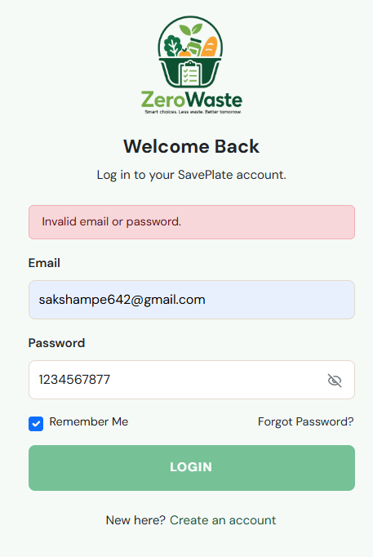
 |  | Pass / Fail | Pass
 |  | Remarks

 |  | NEGATIVE SCENARIO
 |  | Test Case ID | TC1.8
 |  | Test Description | Sign in fails with unregistered email
 |  | Test Scenario | User attempts to sign in with an email address not found in the database.
 |  | Test Data | Email:demo345@example.com Password: 1234567877
 |  | Source Code | // api.js async function parseError(response) { try { const data = await response.json(); return data.message || data.error || `Request failed (${response.status})`; } catch { return `Request failed (${response.status})`; } }
 |  | Expected Output | System displays: "No account found with this email address."
 |  | Actual Output | 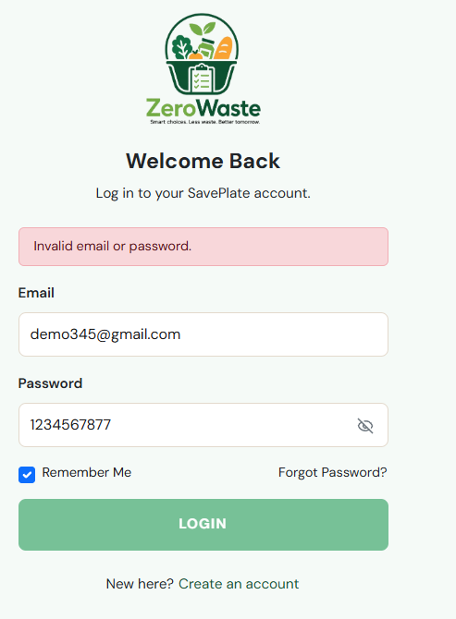
 |  | Pass / Fail | Pass
 |  | Remarks

Unit Testing (E2300572)
Test Objectives
Verify users can add food items with complete valid details.
Verify users can edit and delete existing inventory items.
Verify items near expiry can be converted to donation listings.
Verify incomplete form submissions are rejected with an error message.

Tester Name | Sailesh Maharjan
Date | 6/25/2026 - 7/10/2026

 |  | POSITIVE SCENARIO
 |  | Field | Details
 |  | Test Case ID | TC2.1
 |  | Test Description | Add a food item with all required fields
 |  | Test Scenario | Logged-in user adds a food item with name, quantity, expiry date, and category.
 |  | Test Data | Food Name: Tomatoes Category: Canned Quantity: 6 Expiry: 2025-12-31 Storage: Pantry Note: Organic grown tomato Link : https://encrypted-tbn0.gstatic.com/images?q=tbn:ANd9GcQwx2wXod2wThNs9CW7m-eFm_Ki15ioERhS3u-7mibkXA&s=10
 |  | Source Code | public static FoodItemResponse from(FoodItem item, String donorName, boolean isOwn, Boolean donorPublic, boolean alreadyRequestedByMe) { return new FoodItemResponse( item.getId(), item.getName(), item.getCategory(), item.getQuantity(), item.getQuantityUnit(), item.getExpiryDate(), item.getImageUrl(), item.getDonated(), donorName, item.getPickupLocation(), item.getAvailableTime(), item.getContactDetail(), isOwn, donorPublic, alreadyRequestedByMe ); }
 |  | Expected Output | Item saved to inventory. List refreshes and new item is visible.
 |  | Actual Output
 |  | Pass / Fail | Pass
 |  | Remarks

 |  | POSITIVE SCENARIO
 |  | Field | Details
 |  | Test Case ID | TC2.2
 |  | Test Description | Convert near-expiry item to donation listing
 |  | Test Scenario | User selects an item expiring soon and converts it to a donation listing with pickup details.
 |  | Test Data | Item Name : Strawberry Pie Location : Kathmandu, Nepal Available Time : 8:00 - 6:00 Contact Detail : 9887542123
 |  | Source Code | // FoodItemService.java public FoodItemResponse donate(Long id, Long userId, DonateRequest request) { FoodItem item = foodItemRepository.findByIdAndUserId(id, userId) .orElseThrow(() -> new ApiException("Food item not found.", HttpStatus.NOT_FOUND)); item.setDonated(true); if (request != null) { item.setPickupLocation(blankToNull(request.getLocation())); item.setAvailableTime(blankToNull(request.getAvailableTime())); item.setContactDetail(blankToNull(request.getContactDetail())); } FoodItem saved = foodItemRepository.save(item); activityLogRepository.save(FoodActivityLog.builder() .userId(userId).type("DONATED").category(saved.getCategory()).quantity(saved.getQuantity()).build()); notifyEveryoneOfNewDonation(saved, userId); return FoodItemResponse.from(saved); }
 |  | Expected Output | Item status changed to 'For Donation'. Listing visible in donation section with pickup details.
 |  | Pass / Fail | Pass
 |  | Actual Output | 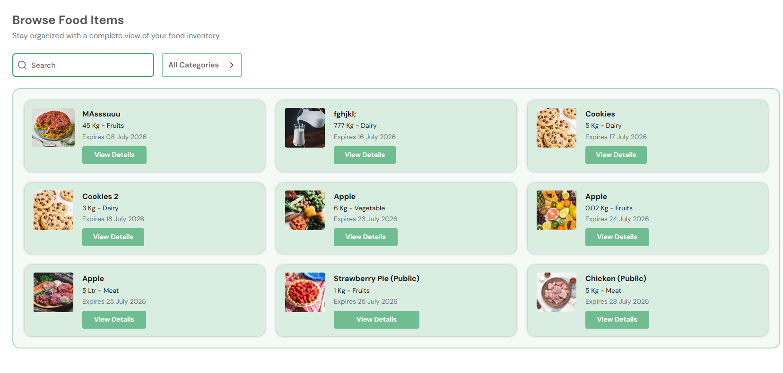
 |  | Remarks | 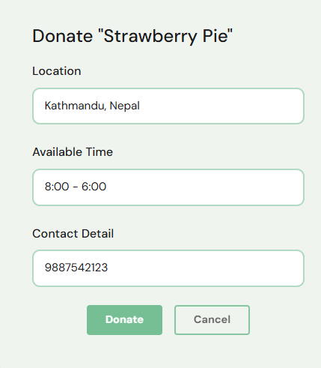

 |  | NEGATIVE SCENARIO
 |  | Field | Details
 |  | Test Case ID | TC2.3
 |  | Test Description | Add food item fails with incomplete form
 |  | Test Scenario | User submits the Add Food Item form without filling all required fields.
 |  | Test Data | Item Name: (blank) Category : Blank Quantity: 8 Expiry: 7/28/2026 Storage: Fridge
 |  | Source Code | // AddFoodItem.jsx const handleSubmit = async (e) => { e.preventDefault(); if (!form.name.trim()) return setErrMsg("Food name is required."); if (!form.category) return setErrMsg("Please select a category."); if (!form.quantity.trim() || Number(form.quantity) <= 0) return setErrMsg("Enter a valid quantity."); if (!form.expiryDate) return setErrMsg("Expiry date is required."); if (!form.storage) return setErrMsg("Please select a storage location."); // API is never called — returns early on first missing field };
 |  | Expected Output | System asks to fill missing fields.
 |  | Pass / Fail | Pass
 |  | Actual Output | 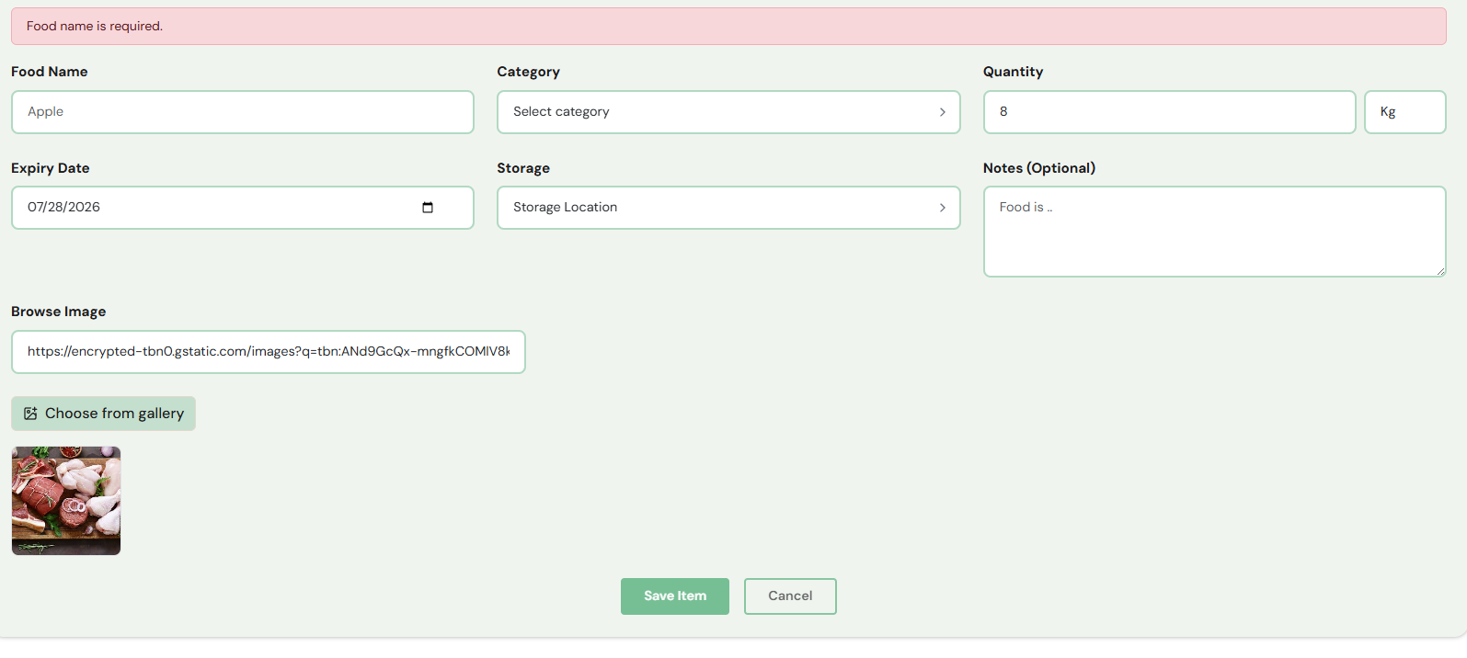
 |  | Remarks

 |  | NEGATIVE SCENARIO
 |  | Field | Details
 |  | Test Case ID | TC2.4
 |  | Test Description | Invalid quantity input (non-numeric value)
 |  | Test Scenario | User enters alphabetic characters in the quantity field.
 |  | Test Data | Item Name: Eggs Quantity: 'abc' Expiry: 2025-09-15 Category: Dairy
 |  | Source Code | // Validation on submit — non-numeric input parses to NaN, which fails <= 0 check if (!form.quantity.trim() || Number(form.quantity) <= 0) return setErrMsg("Enter a valid quantity.");
 |  | Expected Output | System displays: 'Quantity must be a valid number.' Form is not submitted.
 |  | Actual Output
 |  | Pass / Fail | Pass
 |  | Remarks

 |  | POSITIVE SCENARIO
 |  | Test Case ID | TC2.5
 |  | Test Description | Successfully edit an existing inventory item
 |  | Test Scenario | User selects an existing item and updates its quantity and expiry date.
 |  | Test Data | Item: Apple(existing), Updated Quantity: 5.01L, Updated Expiry: 2025-07-14
 |  | Source Code | // FoodItemService.java public FoodItemResponse update(Long id, FoodItemRequest request, Long userId) { validateCategory(request.getCategory()); validateUnit(request.getQuantityUnit()); FoodItem item = foodItemRepository.findByIdAndUserId(id, userId) .orElseThrow(() -> new ApiException("Food item not found.", HttpStatus.NOT_FOUND)); item.setName(request.getName().trim()); item.setCategory(request.getCategory()); item.setQuantity(request.getQuantity()); item.setQuantityUnit(request.getQuantityUnit()); item.setExpiryDate(request.getExpiryDate()); item.setImageUrl(blankToNull(request.getImageUrl())); FoodItem savedItem = foodItemRepository.save(item); return FoodItemResponse.from(savedItem); }
 |  | Expected Output | Inventory list reflects the updated quantity and expiry date after save.
 |  | Actual Output | 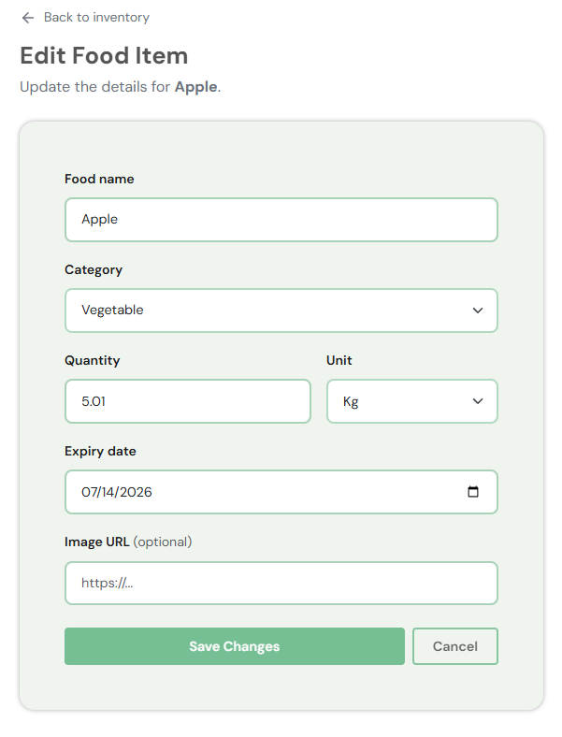
 |  | Pass / Fail | Pass
 |  | Remarks | 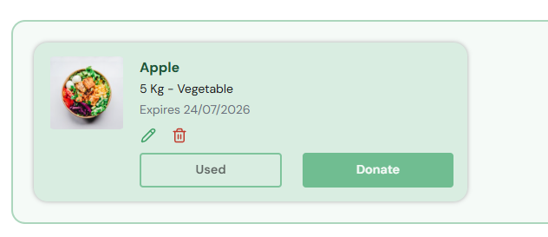

 |  | POSITIVE SCENARIO
 |  | Test Case ID | TC2.6
 |  | Test Description | Successfully delete an inventory item
 |  | Test Scenario | User selects an item and chooses to delete it from the inventory.
 |  | Test Data | Item: Apple (existing item)
 |  | Source Code | // FoodItemService.java public void delete(Long id, Long userId) { FoodItem item = foodItemRepository.findByIdAndUserId(id, userId) .orElseThrow(() -> new ApiException("Food item not found.", HttpStatus.NOT_FOUND)); // Log as WASTED only if expired and not donated boolean isExpired = item.getExpiryDate() != null && item.getExpiryDate().isBefore(LocalDate.now()); if (isExpired && !Boolean.TRUE.equals(item.getDonated())) { activityLogRepository.save(FoodActivityLog.builder() .userId(userId).type("WASTED").category(item.getCategory()).quantity(item.getQuantity()).build()); } foodItemRepository.delete(item); }
 |  | Expected Output | Item is permanently removed from the inventory list. Confirmation message is shown.
 |  | Actual Output | 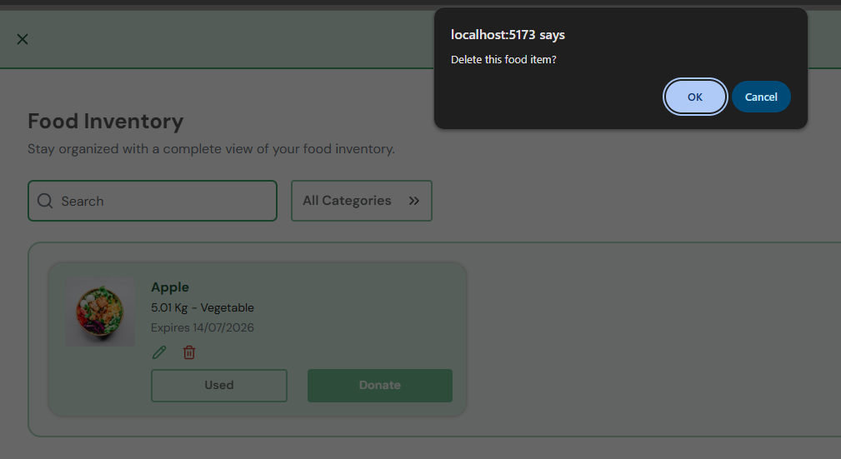
 |  | Pass / Fail | Pass
 |  | Remarks

 |  | NEGATIVE SCENARIO
 |  | Test Case ID | TC2.7
 |  | Test Description | Add food item fails with negative or zero quantity
 |  | Test Scenario | User enters 0 or a negative number as quantity when adding an item.
 |  | Test Data | Item: Orange, Quantity: -5, Expiry: 2025-07-24, Category: Dairy
 |  | Source Code | // AddFoodItem.jsx if (!form.quantity.trim() || Number(form.quantity) <= 0) return setErrMsg("Enter a valid quantity.");
 |  | Expected Output | System displays: "Quantity must be greater than zero."
 |  | Actual Output | 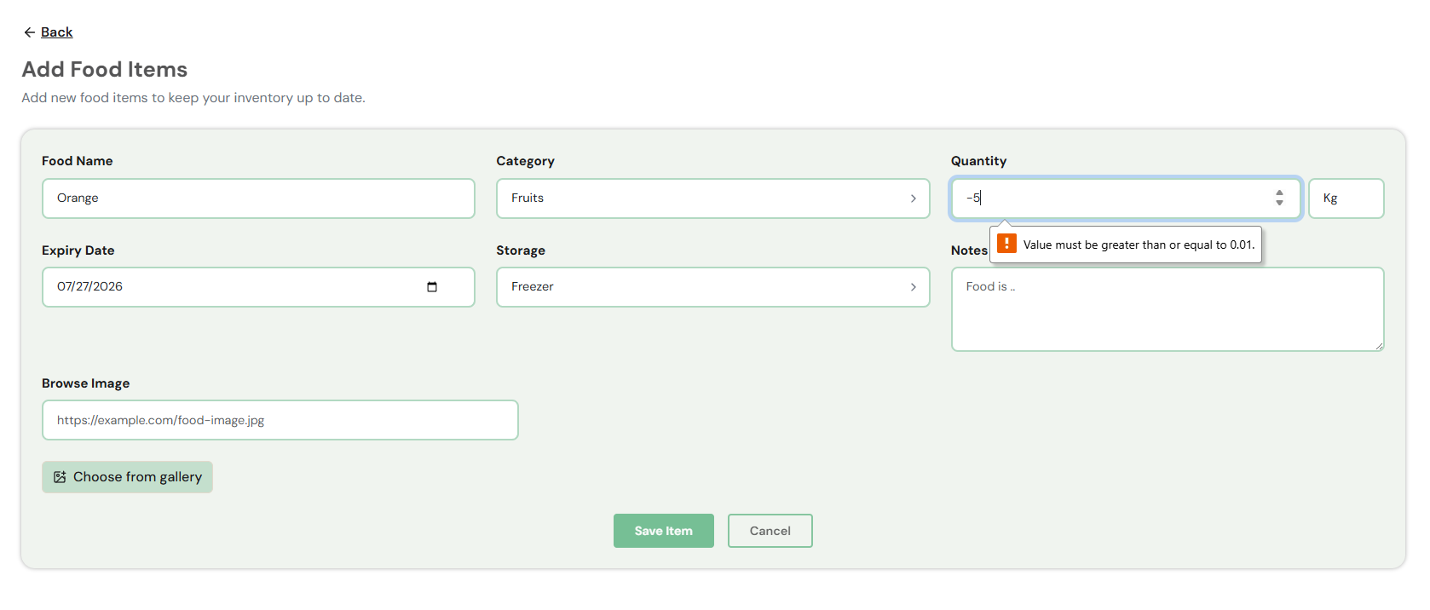
 |  | Pass / Fail | Pass
 |  | Remarks

 |  | POSITIVE SCENARIO
 |  | Test Case ID | TC2.8
 |  | Test Description | Successfully mark an inventory item as used
 |  | Test Scenario | User clicks "Used" button on an item, confirms the action in the prompt, and the item is removed from inventory while being counted as Food Saved.
 |  | Test Data | Item: Spinach (3 Kg – Vegetable, existing item)
 |  | Source Code | //FoodItemService.java public FoodItemResponse markUsed(Long id, Long userId) { FoodItem item = foodItemRepository.findByIdAndUserId(id, userId) .orElseThrow(() -> new ApiException("Food item not found.", HttpStatus.NOT_FOUND)); if (Boolean.TRUE.equals(item.getDonated())) { throw new ApiException("This item has already been donated.", HttpStatus.BAD_REQUEST); } FoodActivityLog activityLog = FoodActivityLog.builder() .userId(userId) .type("USED") .category(item.getCategory()) .quantity(item.getQuantity()) .build(); activityLogRepository.save(activityLog); FoodItemResponse response = FoodItemResponse.from(item); foodItemRepository.delete(item); return response; };
 |  | Expected Output | Confirmation prompt "Mark this item as used? It will be removed from your inventory and counted toward Food Saved." appears. On clicking OK, item is removed from Food Inventory list, "Food Saved" counter increases on Dashboard, and "Food Saved" count increases on the Analytics page.
 |  | Actual Output | 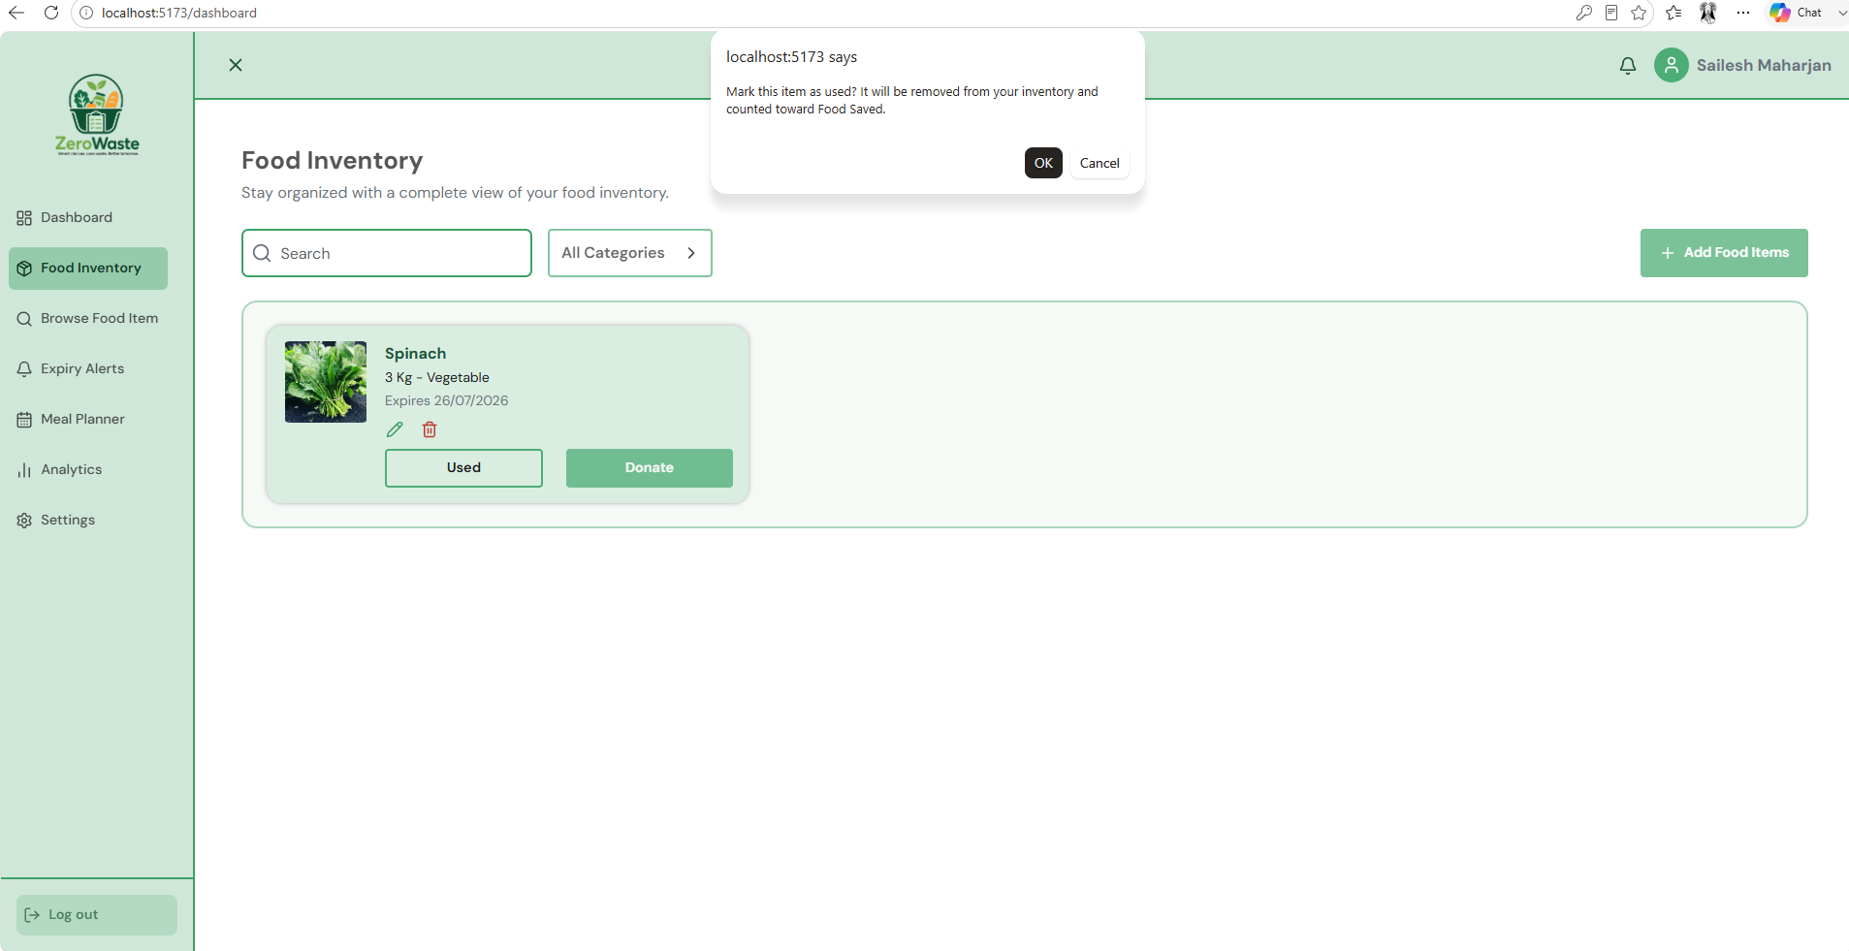
 |  | Pass / Fail | Pass
 |  | Remarks | 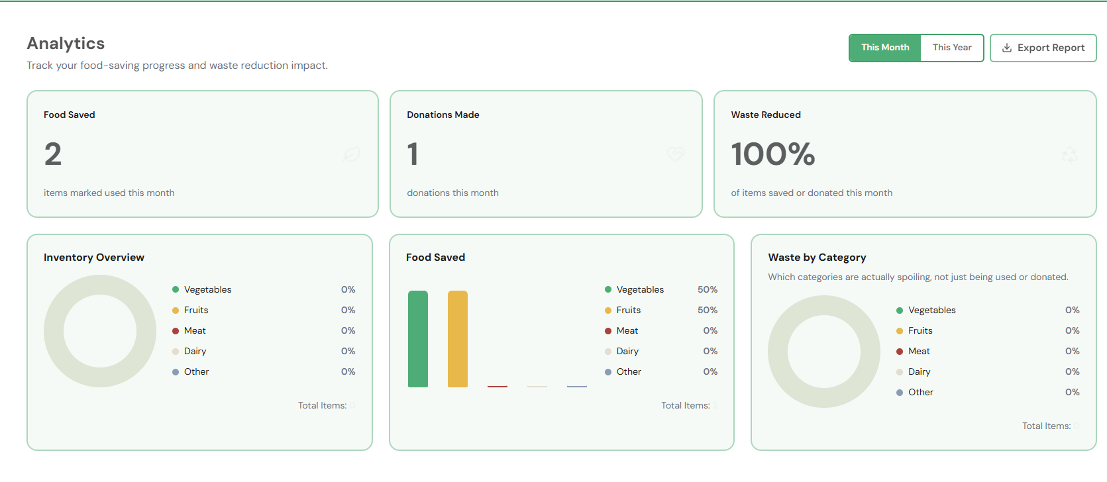
 |  | Remarks

Unit Testing (E2300573)
Test Objectives
Verify users can browse full food listings without filters.
Verify filter functionality returns correct results.
Verify the system handles no-result scenarios gracefully.
Verify item action updates (mark as used, flag for donation) work correctly.

Name: | Saksham Sharma Sedhai | E2300573
Date | 6/25/2026 - 7/10/2026

 |  |  | POSITIVE SCENARIO
 |  |  | Field | Details
 |  |  | Test Case ID | TC3.1
 |  |  | Test Description | Browse all food listings without filters
 |  |  | Test Scenario | Logged-in user navigates to Browse section and views all available items.
 |  |  | Test Data | No filters applied. User has 4 inventory + 7 donation items.
 |  |  | Source Code | public List<FoodItemResponse> getAllForUser(Long userId) { return foodItemRepository.findByUserIdOrderByExpiryDateAsc(userId).stream() .filter(item -> !Boolean.TRUE.equals(item.getDonated())) .map(FoodItemResponse::from) .toList(); } public List<FoodItemResponse> getAvailableForBrowse(Long userId) { List<FoodItem> donatedItems = foodItemRepository.findByDonatedTrueOrderByExpiryDateAsc(); if (donatedItems.isEmpty()) { return List.of(); }
 |  |  | Expected Output | All 11 items displayed with name, quantity, expiry date, and pickup location where applicable.
 |  |  | Actual Output | 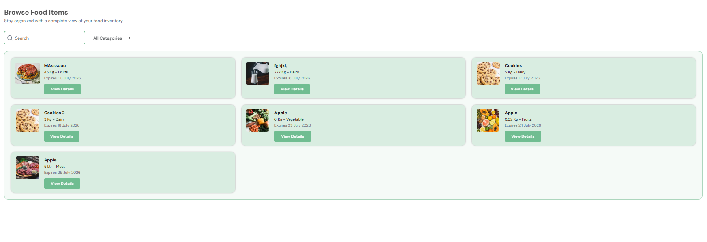
 |  |  | Actual Output
 |  |  | Pass / Fail | Pass
 |  |  | Remarks

 |  |  | POSITIVE SCENARIO
 |  |  | Field | Details
 |  |  | Test Case ID | TC3.2
 |  |  | Test Description | Apply category filter and view filtered results
 |  |  | Test Scenario | User applies 'Fruit' category filter and views matching items only.
 |  |  | Test Data | Filter: Category = Fruits, 3 Fruits items exist in inventory.
 |  |  | Source Code | // BrowseFoodItem.jsx const CATEGORIES = ["All Categories", "Fruits", "Vegetable", "Dairy", "Meat", "Other"]; const filtered = useMemo(() => { return items.filter((item) => { const matchesSearch = !search || item.name.toLowerCase().includes(search.toLowerCase()); const matchesCategory = category === "All Categories" || item.category === category; return matchesSearch && matchesCategory; }); }, [items, search, category]);
 |  |  | Expected Output | Only 3 tems displayed. Non-matching items are hidden.
 |  |  | Actual Output
 |  |  | Pass / Fail | Pass
 |  |  | Remarks

 |  |  | NEGATIVE SCENARIO
 |  |  | Field | Details
 |  |  | Test Case ID | TC3.3
 |  |  | Test Description | Filter returns no matching items
 |  |  | Test Scenario | User applies a filter combination that matches zero items in the system.
 |  |  | Test Data | Filter: Category = Seafood, Expiry = Within 1 day No seafood items near expiry.
 |  |  | Source Code | // BrowseFoodItem.jsx — filtered result drives the display const filtered = useMemo(() => { return items.filter((item) => { const matchesSearch = !search || item.name.toLowerCase().includes(search.toLowerCase()); const matchesCategory = category === "All Categories" || item.category === category; return matchesSearch && matchesCategory; }); }, [items, search, category]); // Empty state display {filtered.length === 0 ? ( <div className="text-center py-5" style={{ color: colors.muted }}> No donated items are available right now. </div> ) : ( /* render grid */ )}
 |  |  | Expected Output | System displays: 'No items found. Please adjust your filters.'
 |  |  | Actual Output
 |  |  | Pass / Fail | Pass
 |  |  | Remarks

 |  |  | NEGATIVE SCENARIO
 |  |  | Field | Details
 |  |  | Test Case ID | TC3.4
 |  |  | Test Description | Attempt to browse items while not logged in
 |  |  | Test Scenario | Unauthenticated user tries to access the Browse Food Items section directly via URL.
 |  |  | Test Data | Session: None (unauthenticated)
 |  |  | Source Code | // JwtAuthFilter.java String header = request.getHeader(HttpHeaders.AUTHORIZATION); if (header != null && header.startsWith("Bearer ")) { String token = header.substring(7); try { Long userId = jwtService.extractUserId(token); SecurityContextHolder.getContext().setAuthentication(auth); } catch (Exception ignored) { SecurityContextHolder.clearContext(); } } // No token → SecurityContext stays empty → Spring returns 401
 |  |  | Expected Output | User is redirected to login page. Browse section is not accessible without authentication.
 |  |  | Pass / Fail | Pass ( whatever the link, the user must login to view the dashboard and other pages)
 |  |  | Actual Output | 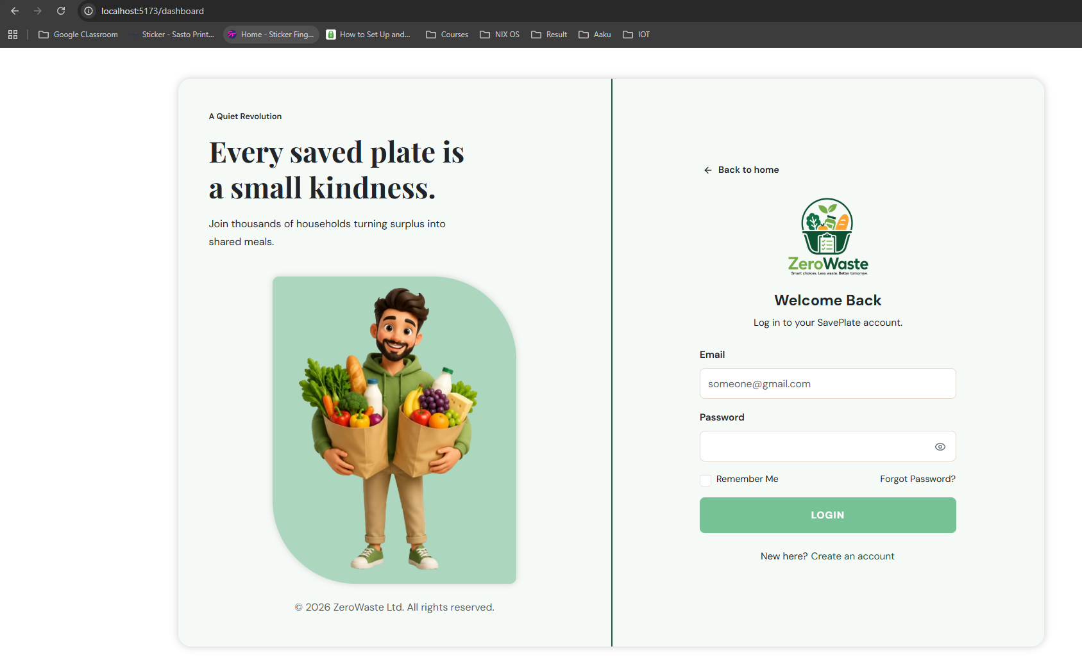
 |  |  | Remarks

 |  |  | POSITIVE SCENARIO
 |  |  | Test Case ID | TC3.5
 |  |  | Test Description | Successfully view full details of a food item
 |  |  | Test Scenario | User clicks on an individual food item to view its complete details.
 |  |  | Test Data | Item: Cookies (existing donation listing)
 |  |  | Source Code | // BrowseFoodItem.jsx const openDetails = (item) => { setSelectedItem(item); setShowContact(false); setClaimMsg(""); }; // Detail view renders: name, donor, quantity, category, // expiry date, pickup location, available time, embedded map <button onClick={() => openDetails(item)}>View Details</button>
 |  |  | Expected Output | System displays full item details including category, storage location, expiry date, notes, and pickup arrangement.
 |  |  | Actual Output
 |  |  | Pass / Fail | Pass
 |  |  | Remarks

 |  |  | POSITIVE SCENARIO
 |  |  | Test Case ID | TC3.6
 |  |  | Test Description | Successfully mark a browsed item as used
 |  |  | Test Scenario | User browses inventory items and marks one as "Used" directly from the browse view.
 |  |  | Test Data | Item: Tomatoes (inventory item), Action: Mark as Used
 |  |  | Source Code | // FoodItemService.java public FoodItemResponse markUsed(Long id, Long userId) { FoodItem item = foodItemRepository.findByIdAndUserId(id, userId) .orElseThrow(() -> new ApiException("Food item not found.", HttpStatus.NOT_FOUND)); if (Boolean.TRUE.equals(item.getDonated())) { throw new ApiException("This item has already been donated.", HttpStatus.BAD_REQUEST); } activityLogRepository.save(FoodActivityLog.builder() .userId(userId).type("USED").category(item.getCategory()).quantity(item.getQuantity()).build()); foodItemRepository.delete(item); return FoodItemResponse.from(item); }
 |  |  | Expected Output | Item status updates to "Used" and is removed from the active browse listing.
 |  |  | Actual Output | 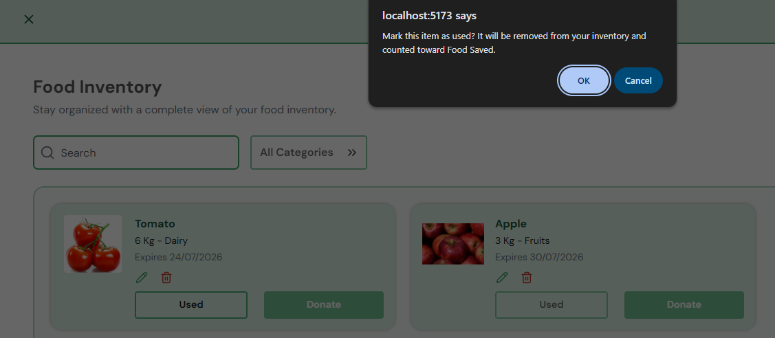
 |  |  | Pass / Fail | Pass
 |  |  | Remarks

 |  |  | POSITIVE SCENARIO
 |  |  | Test Case ID | TC3.7
 |  |  | Test Description | Successfully flag an item for donation from browse view
 |  |  | Test Scenario | User selects a browsed inventory item and flags it for donation, then provides required pickup details.
 |  |  | Test Data | Item: Tomate, Action: Flag for Donation
 |  |  | Source Code | // FoodInventory.jsx const handleDonateConfirm = async (details) => { await foodApi.donate(donateTarget.id, details); logActivity(`Donated ${donateTarget.name}`); setItems((prev) => prev.filter((item) => item.id !== donateTarget.id)); setDonateTarget(null); onNavigate?.("browse"); // redirects to Browse after donation };
 |  |  | Expected Output | Item is added to donation listings with provided pickup details. Confirmation message shown.
 |  |  | Actual Output | 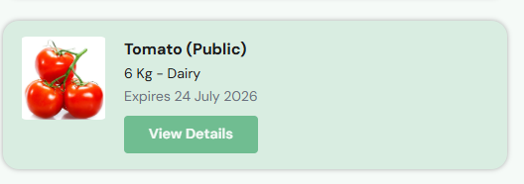
 |  |  | Pass / Fail | Pass
 |  |  | Remarks | 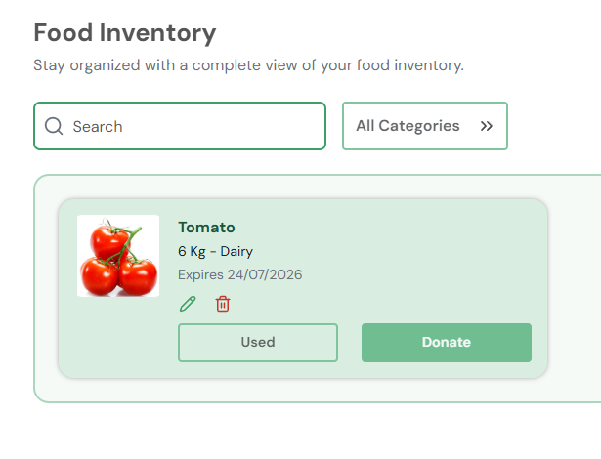

 |  |  | Negative SCENARIO
 |  |  | Test Case ID | TC3.8
 |  |  | Test Description | Flag for donation fails without providing pickup details
 |  |  | Test Scenario | User flags an item for donation from the browse view but submits without entering a pickup location.
 |  |  | Test Data | Item: Apple, Action: Flag for Donation, Pickup Location: (blank)
 |  |  | Source Code | // DonateModal.jsx const handleDonateClick = async () => { if (!location.trim()) return setErrMsg("Please enter a pickup location."); if (!availableTime.trim()) return setErrMsg("Please enter your available time."); if (!contactDetail.trim()) return setErrMsg("Please enter a contact detail."); // Only calls onConfirm() if all three fields pass await onConfirm({ location: location.trim(), availableTime: availableTime.trim(), contactDetail: contactDetail.trim() }); };
 |  |  | Expected Output | System displays: "Pickup location is required to create a donation listing."
 |  |  | Actual Output | 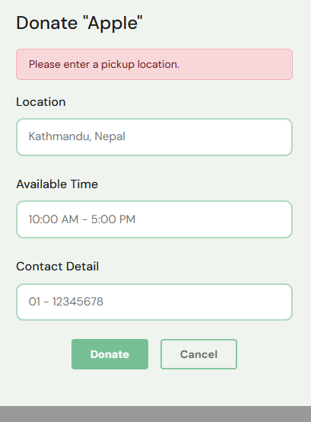
 |  |  | Pass / Fail | Pass
 |  |  | Remarks

System Testing
System Testing - Using Playwright

 |  | Team Members Name
 |  | Kabir Rajbhandari (E2300558) - Team Leader
 |  | Saksham Sharma Sedhai (E2300573)
 |  | Sailesh Maharjan (E2300572)

 | Use Case 1
 | Test Case ID | Title | Type | Pass / Fail
 | TC-SYS-1.1 | Successful Registration with Valid Credentials | Positive | Pass
 | TC-SYS-1.2 | Sign-in Persists Session on Page Refresh | Positive | Pass
 | TC-SYS-1.3 | Sign-in Fails with wrong password | Negative | Pass

 | POSITIVE SCENARIO - TC-SYS-1.1: Successful Sign-in with Valid Credentials
 | Test Case ID | TC-SYS-1.1
 | Test Scenario | A registered user enters a valid email and correct password, then clicks 'Sign In'. The system authenticates the user and redirects to the dashboard.
 | Test Data | Email: zerowaste.official2026@gmail.com Password: 12345678
 | Test Steps | Step 1: Launch browser and navigate to ZeroWaste sign-in page (e.g. http://localhost:5173/login). Step 2: In Playwright, click Record to begin recording. Step 3: Click the Email input field and type 'zerowaste.official2026@gmail.com'. Step 4: Click the Password input field and type '12345678'. Step 5: Click the 'Sign In' button. Step 6: Observe the page redirect. Step 7: Stop recording in Playwright Codegen. Save the login.spec.js Step 8: Run the test case via Playwright and capture the log.
 | Expected Output | User is successfully authenticated. Browser redirects to '/dashboard'. Dashboard displays the user's name and food inventory.
 | Actual Output (Screenshots)
 | Pass / Fail (Log) | Pass
 | Remarks | Baseline positive test. Must pass before all other test cases are run.
 | Playwright Log Screenshot | 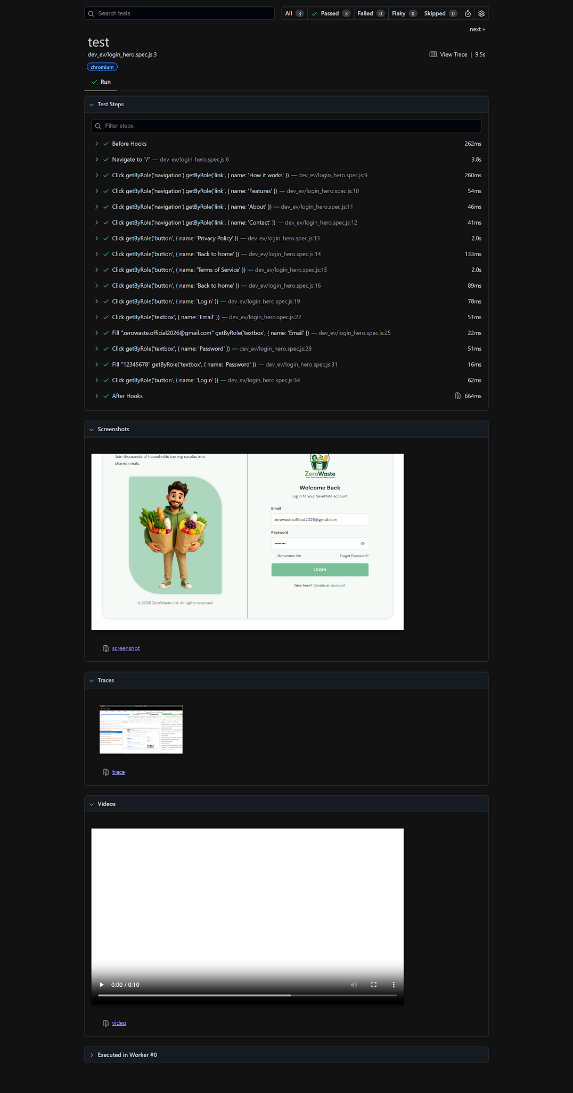

 | POSITIVE SCENARIO - TC-SYS-1.2: Sign-in Persists Session on Page Refresh
 | Test Case ID | TC-SYS-1.2
 | Test Scenario | After a successful sign-in, the user refreshes the browser tab. The session must persist and the user must remain on the dashboard without being re-prompted to log in.
 | Test Data | Email: zerowaste.official2026@gmail.com | Password: 12345678
 | Test Steps | Step 1: Complete TC-SYS-1.1 (sign in successfully). Step 2: In Playwright, add a command: 'refresh' (target: browser) after the redirect assertion. Step 3: Add an 'assertElementPresent' command targeting the dashboard header element. Step 4: Run the test case and capture the log.
 | Expected Output | After refresh, the dashboard page is still displayed. The user is not redirected to the login page. Session token remains valid.
 | Actual Output (Screenshot)
 | Pass / Fail (Log) | Pass
 | Remarks | Verifies session/cookie persistence. Important for user experience.
 | Playwright Log Screenshot | 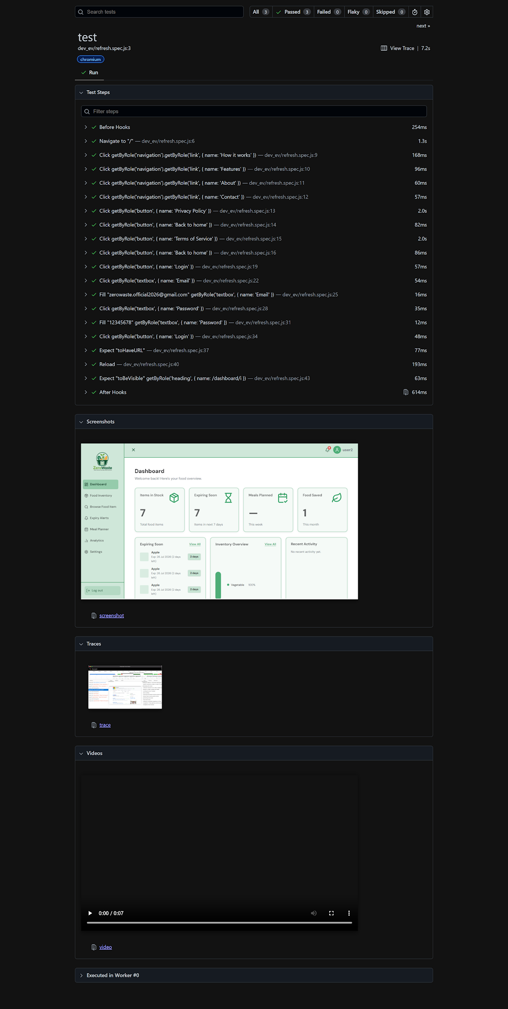

 | NEGATIVE SCENARIO - TC-SYS-1.3: Sign-in Fails with Wrong Password
 | Test Case ID | TC-SYS-1.3
 | Test Scenario | A registered user enters a valid email but an incorrect password and attempts to sign in. The system must reject the login attempt and display an error message.
 | Test Data | Email: zerowaste.official2026@gmail.com | Password: 12345678
 | Test Steps | Step 1: Navigate to the ZeroWaste sign-in page. Step 2: Start Playwright recording. Step 3: Click the Email field and type 'zerowaste.official2026@gmail.com '. Step 4: Click the Password field and type '123sd3445678'. Step 5: Click the 'Sign In' button. Step 6: Observe that no redirect occurs and an error message appears. Step 7: Stop recording. Save and run. Capture log.
 | Expected Output | System displays error: 'Invalid email or password. Please try again.' User remains on the login page. Dashboard is NOT accessible.
 | Actual Output (Screenshots)
 | Pass / Fail (Log) | Pass
 | Remarks | Critical security test. Failure here is a high-severity defect.
 | Playwright Log Screenshot | 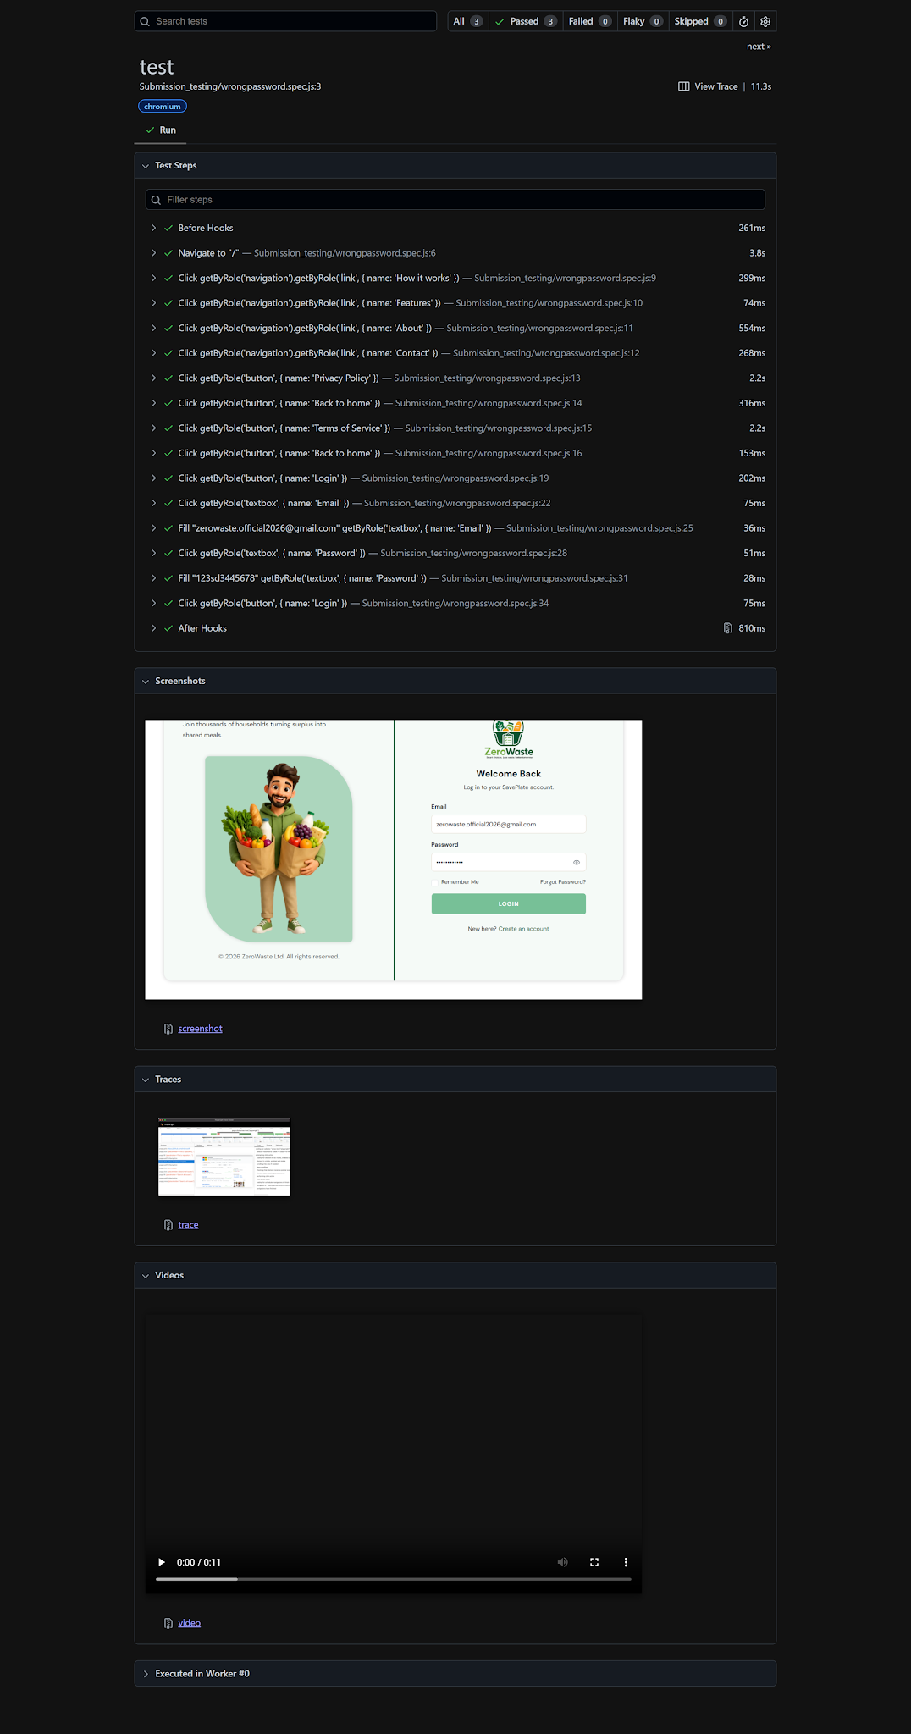

 | Use Case 2
 | Test Case ID | Title | Type | Pass / Fail
 | TC-SYS-2.1 | Successfully Add a Food Item to Inventory | Positive | Pass
 | TC-SYS-2.2 | Successfully Edit an Existing Inventory Item | Positive | Pass
 | TC-SYS-2.3 | Add Food Item Fails with Incomplete Form | Negative | Pass

 | POSITIVE SCENARIO - TC-SYS-2.1: Successfully Add a Food Item to Inventory
 | Test Case ID | TC-SYS-2.1
 | Test Scenario | A logged-in user navigates to the Food Inventory section, clicks 'Add Food Item', enters valid item details, and submits. The system validates and saves the item.
 | Test Data | Item Name: Canned Sardines | Quantity: 3 | Expiry Date: 2026-12-01 | Category: Canned | Storage: Pantry
 | Test Steps | Step 1: Log in and navigate to the 'Food Inventory' section. Step 2: Run `npx playwright codegen http://localhost:3000` to begin recording. Step 3: Click 'Add Food Item'. Step 4: Enter Item Name, Quantity, Expiry Date, Category, and Storage Location. Step 5: Click 'Save'. Step 6: Add `await expect(...).toHaveText(...)` to verify the item appears in the inventory list. Step 7: Stop codegen and copy the generated actions into a `test(...)` block named 'TC-SYS-3.1'. Run `npx playwright test` and review the HTML report.
 | Expected Output | System validates input and saves the item. The new item appears in the inventory list with the entered details, and a confirmation message is shown.
 | Actual Output (Screenshots)
 | Pass / Fail (Log) | PASS
 | Remarks | Baseline positive test for inventory management. Must pass before edit/delete/donation test cases are run.
 | Playwright Log Screenshot | 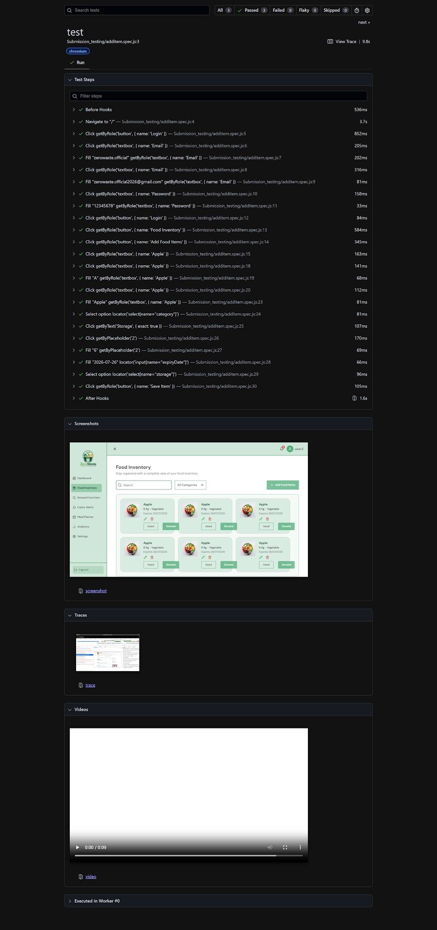

 | POSITIVE SCENARIO - TC-SYS-2.2: Successfully Edit an Existing Inventory Item
 | Test Case ID | TC-SYS-2.2
 | Test Scenario | The user selects an existing inventory item, edits its quantity and expiry date, and saves the change. The system updates the record.
 | Test Data | Item: Canned Sardines | Updated Quantity: 2 | Updated Expiry Date: 2026-11-15
 | Test Steps | Step 1: Complete TC-SYS-3.1 so the item exists in inventory. Step 2: In codegen, click 'Edit' on the 'Canned Sardines' row. Step 3: Clear the Quantity field and type '2'. Step 4: Clear the Expiry Date field and type '2026-11-15'. Step 5: Click 'Save Changes'. Step 6: Add `await expect(...).toHaveText(...)` to verify the updated values in the list. Step 7: Stop codegen and copy the generated actions into a `test(...)` block named 'TC-SYS-3.2'. Run `npx playwright test` and review the HTML report.
 | Expected Output | System displays the updated inventory list showing Quantity = 2 and Expiry Date = 2026-11-15 for the item.
 | Actual Output (Screenshots)
 | Pass / Fail (Log) | Pass
 | Remarks | Confirms Actor Action 5 / System Response 6 of the use case.
 | Playwright log Screenshot | 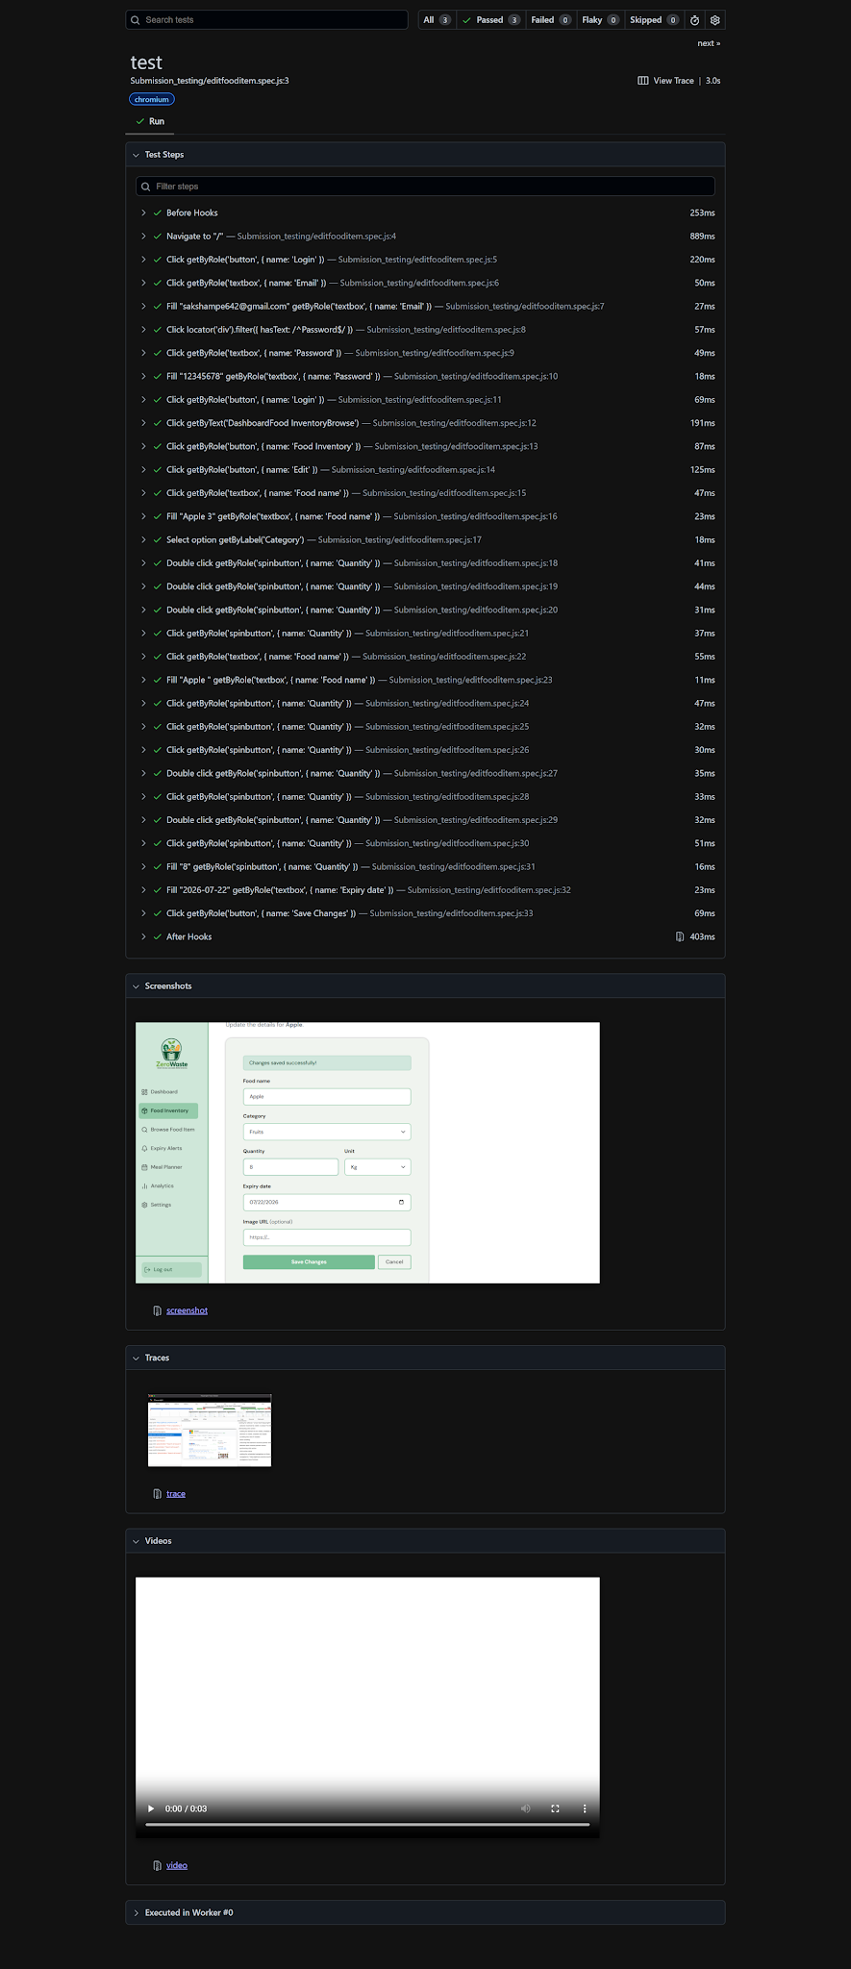

 | NEGATIVE SCENARIO - TC-SYS-2.3: Add Food Item Fails with Incomplete Form
 | Test Case ID | TC-SYS-2.3
 | Test Scenario | A user clicks 'Add Food Item' and submits the form without entering the required Item Name and Expiry Date. The system must reject the submission.
 | Test Data | Item Name: (blank) | Quantity: 1 | Expiry Date: (blank) | Category: Frozen
 | Test Steps | Step 1: Navigate to 'Food Inventory' and click 'Add Food Item'. Step 2: Leave Item Name and Expiry Date blank; fill Quantity and Category only. Step 3: Click 'Save'. Step 4: Add `await expect(...).toHaveText(...)` to verify the error message. Step 5: Stop codegen and copy the generated actions into a `test(...)` block named 'TC-SYS-3.5'. Run `npx playwright test` and review the HTML report.
 | Expected Output | System displays: 'Please complete all required fields.' Item Name and Expiry Date fields are highlighted. No item is saved to inventory.
 | Actual Output (Screenshots)
 | Pass / Fail (Log) | Pass
 | Remarks | Confirms Alternative Course line 1a of the use case.
 | Playwright Log Screenshot | 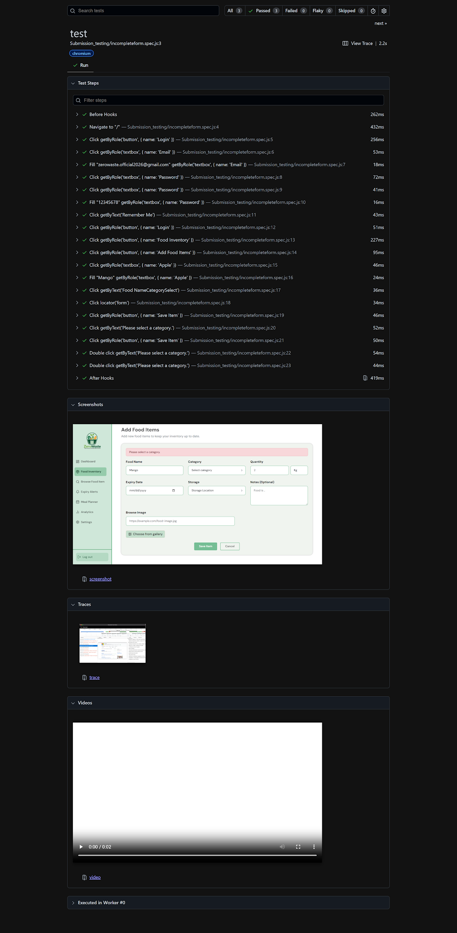

 | Use Case 3
 | Test Case ID | Title | Type | Pass / Fail
 | TC-SYS-3.1 | Browse Food Listings with Category Filter | Positive | Pass
 | TC-SYS-3.2 | View Full Details of a Selected Listing | Positive | Pass
 | TC-SYS-3.3 | No Listings Found for Selected Filters | Negative | Pass
 | TC-SYS-3.4 | Flag an Inventory Item for Used from Food Inventory | Positive | Pass

 | POSITIVE SCENARIO - TC-SYS-3.1: Browse Food Listings with Category Filter
 | Test Case ID | TC-SYS-3.1
 | Test Scenario | A user navigates to 'Browse Food Items' and applies a category filter. The system displays only listings matching the selected location.
 | Test Data | Filter: Category
 | Test Steps | Step 1: Log in and navigate to the 'Browse Food Items' section. Step 2: Run `npx playwright codegen http://localhost:3000` to begin recording. Step 3: Select 'Donation Listings' as the source and 'Petaling Jaya' as the Location filter. Step 4: Click 'Apply Filters'. Step 5: Add `await expect(...).toHaveText(...)` to verify all displayed results show 'Petaling Jaya'. Step 6: Stop codegen and copy the generated actions into a `test(...)` block named 'TC-SYS-4.1'. Run `npx playwright test` and review the HTML report.
 | Expected Output | System displays only listings located in Petaling Jaya, each showing item name, quantity, expiry date, pickup location, and contact method.
 | Actual Output (Screenshots)
 | Pass / Fail (Log) | Pass
 | Remarks | Baseline positive test for browsing. Must pass before item-detail and claim test cases are run.
 | Playwright Log Screenshot | 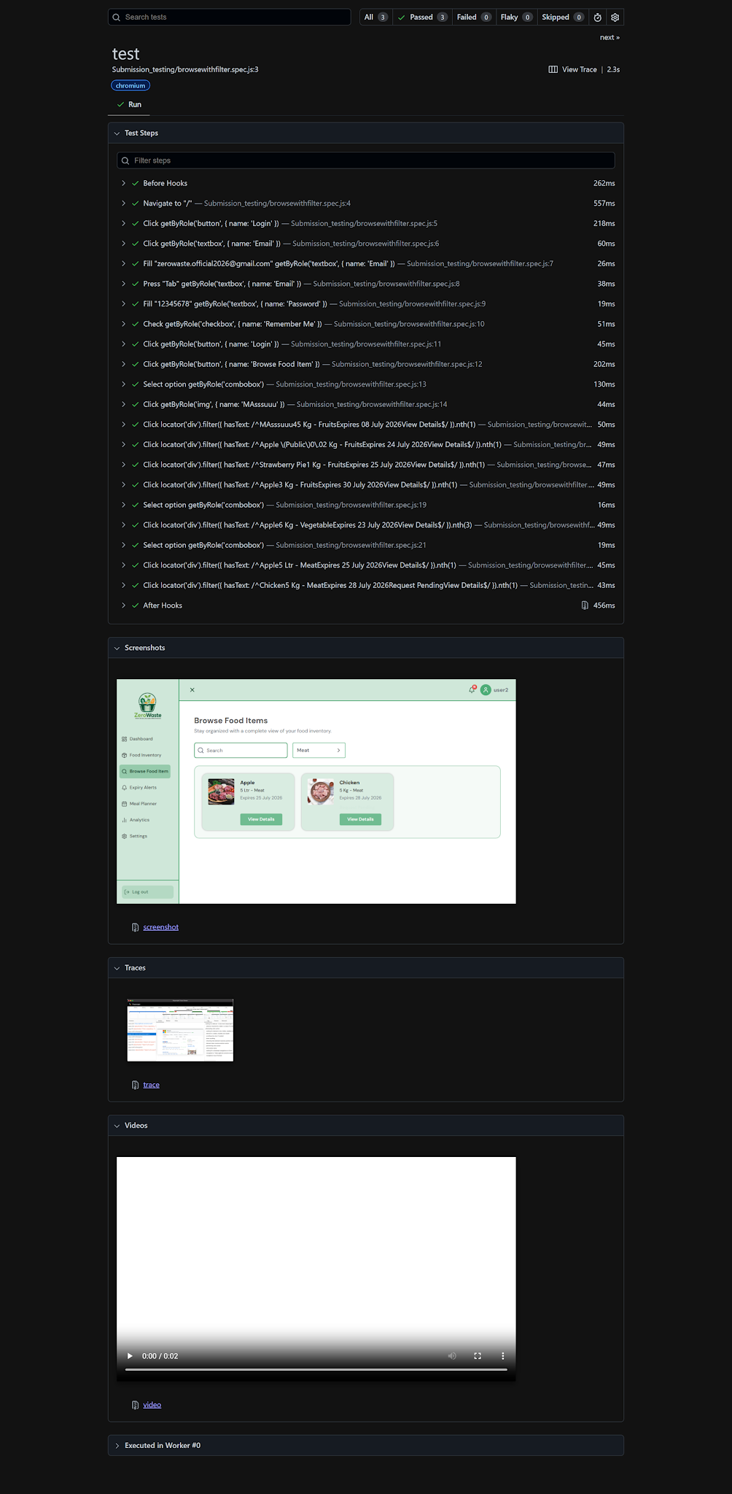

 | POSITIVE SCENARIO - TC-SYS-3.2: View Full Details of a Selected Listing
 | Test Case ID | TC-SYS-3.2
 | Test Scenario | A user clicks on a listing in the browse results to view its full details, including category, storage location, and notes.
 | Test Data | Listing: Apple (From Browse items)
 | Test Steps | Step 1: Complete TC-SYS-2.1 so at least one listing is visible. Step 2: Click on the 'Apple' listing. Step 3: Add `await expect(...).toBeVisible()` targeting the item-detail panel. Step 4: Add `await expect(...).toHaveText(...)` to verify category, storage location, and notes are shown. Step 5: Stop codegen and copy the generated actions into a `test(...)` block named 'TC-SYS-4.2'. Run `npx playwright test` and review the HTML report.
 | Expected Output | System opens the full item-detail view showing category, storage location, notes, and available actions (Mark as used / Plan for meal / Flag for donation).
 | Actual Output (Screenshots)
 | Pass / Fail (Log) | Pass
 | Remarks | Confirms Actor Action 5-6 of the use case.
 | Playwright Log Screenshot | 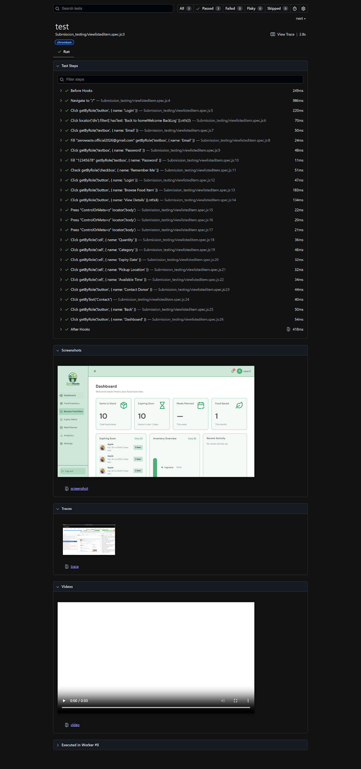

 | NEGATIVE SCENARIO - TC-SYS-3.3: No Listings Found for Selected Filters
 | Test Case ID | TC-SYS-3.3
 | Test Scenario | A user applies a combination of filters that matches no available listings. The system must show a clear 'no results' message instead of an empty screen.
 | Test Data | Filter: Location = 'Langkawi' | Category = 'Frozen' | Expiry Date = 'Today only'
 | Test Steps | Step 1: Navigate to 'Browse Food Items'. Step 2: Apply the Location, Category, and Expiry Date filters shown in Test Data. Step 3: Click 'Apply Filters'. Step 4: Add `await expect(...).toHaveText(...)` to verify the 'No items found' message. Step 5: Stop codegen and copy the generated actions into a `test(...)` block named 'TC-SYS-4.5'. Run `npx playwright test` and review the HTML report.
 | Expected Output | System displays: 'No items found. Please adjust your filters.' No listing cards are rendered.
 | Actual Output (Screenshots)
 | Pass / Fail (Log) | Pass
 | Remarks | Confirms Alternative Course line 4a of the use case.
 | Playwright Log Screenshot | 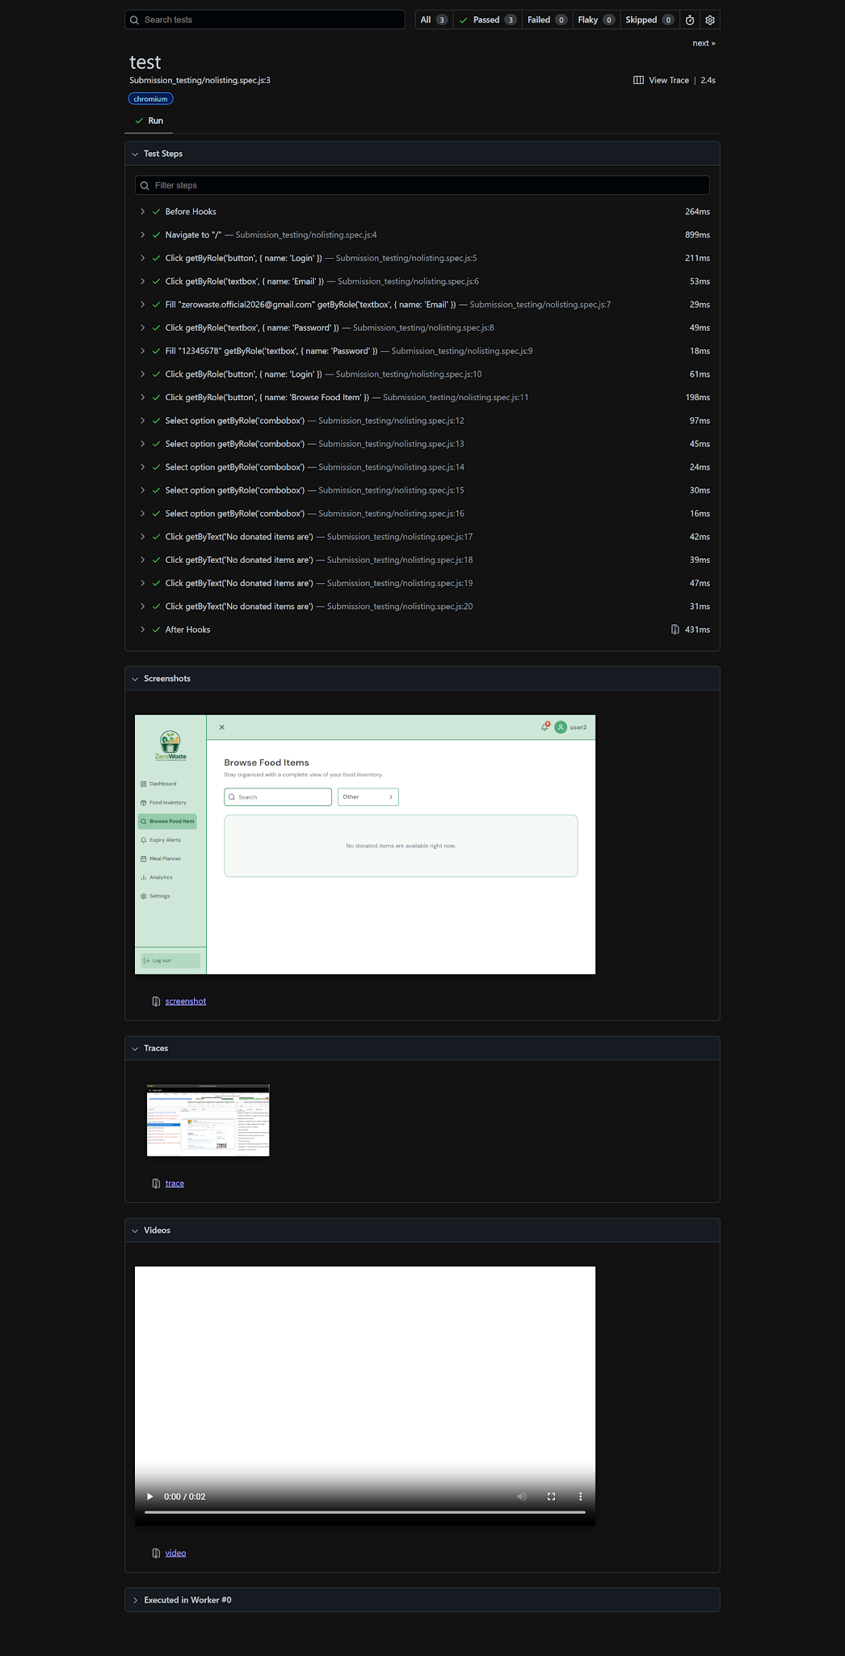

 | POSITIVE SCENARIO - TC-SYS-3.4: Flag an Inventory Item for Used from Food Inventory
 | Test Case ID | TC-SYS-3.4
 | Test Scenario | While browsing their own inventory items, a user selects one and flags it for donation directly from the browse screen.
 | Test Data | Item: Apple (own inventory) | Action: Flag for Donation
 | Test Steps | Step 1: Navigate to 'Browse Food Items' and select 'Inventory Only' as the source. Step 2: Click on 'Frozen Chicken Breast' to open its details. Step 3: Click 'Flag for Donation'. Step 4: Add `await expect(...).toBeVisible()` to verify the donation-flag indicator on the item. Step 5: Stop codegen and copy the generated actions into a `test(...)` block named 'TC-SYS-4.4'. Run `npx playwright test` and review the HTML report.
 | Expected Output | System updates the item status to show it is flagged for donation and prompts for pickup details as described in the use case.
 | Actual Output (Screenshots)
 | Pass / Fail (Log) | Pass
 | Remarks | Confirms the 'Flag for donation' action listed under Actor Action 7 of the use case.
 | Playwright Log Screenshot | 